Sheet1
Samsung Smartphone MHL adaptors

Samsung Smart Phones | 3rd generation MHL adapter
2011 | 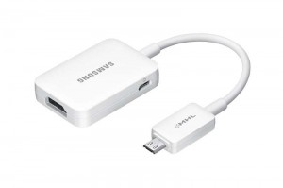
Samsung Galaxy S2: MHL compatible. 1st generation.
Samsung Galaxy Note: MHL compatible. 1st generation.
2012
Samsung Galaxy S3: MHL compatible. 2nd generation.
Samsung Galaxy S3 Mini: NOT MHL COMPATIBLE
Samsung Galaxy Mega 5.8 I9150: NOT MHL COMPATIBLE
Samsung Galaxy Mega 6.3 I9200: MHL compatible. 2nd generation.
Samsung Galaxy Note 2: MHL compatible. 2nd generation.
2013
Samsung Galaxy S4: MHL compatible. 3rd generation.
Samsung Galaxy S4 Mini: NOT MHL COMPATIBLE | 2nd generation MHL adapter
Samsung Galaxy S4 Zoom: MHL compatible. 3rd generation. | 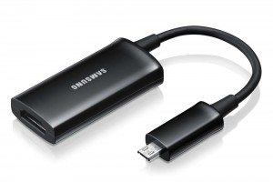
Samsung Galaxy S4 Active: MHL compatible. 3rd generation.
Samsung Galaxy Note 3: MHL compatible. 3rd generation.
2014
Samsung Galaxy S5: MHL compatible. 3rd generation.
Samsung Galaxy S5 Mini: NOT MHL COMPATIBLE
2015
Samsung Galaxy A3: NOT MHL COMPATIBLE
Samsung Galaxy A5: NOT MHL COMPATIBLE
Samsung Galaxy A7: NOT MHL COMPATIBLE
Samsung Galaxy S6:NOT MHL COMPATIBLE
Samsung Galaxy S6 edge:NOT MHL COMPATIBLE | 1st generation MHL adapter
Samsung Galaxy S6 edge plus:NOT MHL COMPATIBLE | 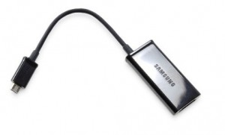
Samsung Galaxy Note 5:NOT MHL COMPATIBLE

Samsung Tablets
2011
Samsung Galaxy Tab (GT-P10xx): NOT MHL COMPATIBLE
Samsung Galaxy Tab 10.1 MHL compatible. 1st tablet generation.
2012
Samsung Galaxy Tab 2 7.0 (GT-P31xx): NOT MHL COMPATIBLE
Samsung Galaxy Tab 2 10.1 (GT-P51xx): NOT OFFICIALLY COMPATIBLE. SOME GT-P51xx MODELS APPEAR TO BE COMPATIBLE WITH 1st GEN TABLET ADAPTOR. INCONCLUSIVE IN TESTING. | 30pin tablet MHL adapter
 | 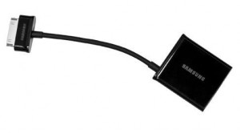
2013
Samsung Galaxy Tab 3 7.0 (SM-T21xx): NOT MHL COMPATIBLE
Samsung Galaxy Tab 3 8.0 (GT-T31xx): MHL compatible. 3rd generation.
Samsung Galaxy Tab 3 10.1 (GT-P52xx): MHL compatible. 3rd generation.
Samsung Galaxy Note 8.0 (GT-N51xx): MHL compatible. 3rd generation.
Samsung Galaxy Note 10.1 (GT-N80xx): MHL compatible. 1st tablet generation.

2014
Samsung Galaxy Note 10.1 (2014 edition) (SM-P6xx): MHL compatible. 3rd generation.

Samsung Galaxy NotePRO 12.2 (SM-P90xx): MHL compatible. 3rd generation.

Samsung Galaxy NotePRO 12.2 (SM-P90xx): MHL compatible. 3rd generation.

Samsung Galaxy TabPRO 12.2 (SM-T9xx): MHL compatible. 3rd generation.
Samsung Galaxy TabPRO 10.1 (SM-T52x): MHL compatible. 3rd generation.
Samsung Galaxy TabPRO 8.4 (SM-T32x): MHL compatible. 3rd generation.
Samsung Galaxy Tab 4 10.1 (SM-T53x): NOT MHL COMPATIBLE
Samsung Galaxy Tab 4 8.0 (SM-T33x): NOT MHL COMPATIBLE
Samsung Galaxy Tab 4 7.0 (SM-T23x): NOT MHL COMPATIBLE
Samsung Galaxy Tab S 10.5 (SM-T80x): MHL compatible. 3rd generation.
Samsung Galaxy Tab S 8.4 (SM-T70x): MHL compatible. 3rd generation.

